DATA
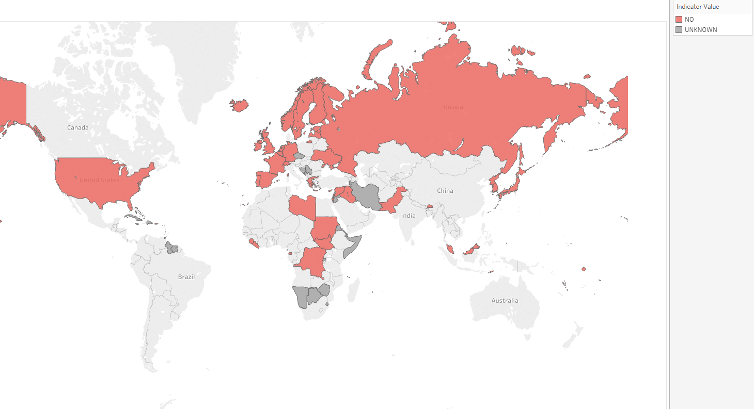
 | Countries with no mandatory legislation for salt iodization - Red highlights small island nations that need labelling on map |  |  | Source: https://www.fortificationdata.org/legislation-status/
 |  |  | When sent to design, change legend from 'unkown' to 'NA'
 | Country | Indicator Value
AFG | Afghanistan | MANDATORY
ALB | Albania | MANDATORY
DZA | Algeria | MANDATORY
AND | Andorra | UNKNOWN
AGO | Angola | MANDATORY
ATG | Antigua and Barbuda | UNKNOWN
ARG | Argentina | MANDATORY
ARM | Armenia | MANDATORY
AUS | Australia | MANDATORY
AUT | Austria | MANDATORY
AZE | Azerbaijan | MANDATORY
BHS | Bahamas | UNKNOWN
BHR | Bahrain | MANDATORY
BGD | Bangladesh | MANDATORY
BRB | Barbados | UNKNOWN
BLR | Belarus | MANDATORY
BEL | Belgium | NO
BLZ | Belize | MANDATORY
BEN | Benin | MANDATORY
BTN | Bhutan | NO
BOL | Bolivia, Plurinational State of | MANDATORY
BIH | Bosnia and Herzegovina | UNKNOWN
BWA | Botswana | UNKNOWN
BRA | Brazil | MANDATORY
BRN | Brunei Darussalam | NO
BGR | Bulgaria | MANDATORY
BFA | Burkina Faso | MANDATORY
BDI | Burundi | MANDATORY
CPV | Cabo Verde | MANDATORY
KHM | Cambodia | MANDATORY
CMR | Cameroon | MANDATORY
CAN | Canada | MANDATORY
CAF | Central African Republic | MANDATORY
TCD | Chad | MANDATORY
CHL | Chile | MANDATORY
CHN | China, People's Republic of | MANDATORY
COL | Colombia | MANDATORY
COM | Comoros | UNKNOWN
COG | Congo | MANDATORY
CRI | Costa Rica | MANDATORY
CIV | Cote d'Ivoire | MANDATORY
HRV | Croatia | MANDATORY
CUB | Cuba | UNKNOWN
CYP | Cyprus | NO
CZE | Czech Republic | UNKNOWN
COD | Democratic Republic of the Congo | NO
DNK | Denmark | MANDATORY
DJI | Djibouti | UNKNOWN
DMA | Dominica | UNKNOWN
DOM | Dominican Republic | UNKNOWN
ECU | Ecuador | MANDATORY
EGY | Egypt | MANDATORY
SLV | El Salvador | MANDATORY
GNQ | Equatorial Guinea | NO
ERI | Eritrea | UNKNOWN
EST | Estonia | NO
SWZ | Eswatini, the Kingdom of | UNKNOWN
ETH | Ethiopia | MANDATORY
FJI | Fiji | MANDATORY
FIN | Finland | NO
FRA | France | NO
GAB | Gabon | MANDATORY
GMB | Gambia, Republic of The | MANDATORY
GEO | Georgia | MANDATORY
DEU | Germany | NO
GHA | Ghana | MANDATORY
GRC | Greece | NO
GRD | Grenada | UNKNOWN
GTM | Guatemala | MANDATORY
GIN | Guinea | MANDATORY
GNB | Guinea-Bissau | MANDATORY
GUY | Guyana | UNKNOWN
HTI | Haiti | MANDATORY
HND | Honduras | MANDATORY
HUN | Hungary | MANDATORY
ISL | Iceland | NO
IND | India | MANDATORY
IDN | Indonesia | MANDATORY
IRN | Iran, Islamic Republic of | UNKNOWN
IRQ | Iraq | NO
IRL | Ireland | NO
ISR | Israel | NO
ITA | Italy | MANDATORY
JAM | Jamaica | UNKNOWN
JPN | Japan | NO
JOR | Jordan | UNKNOWN
KAZ | Kazakhstan | MANDATORY
KEN | Kenya | MANDATORY
KIR | Kiribati | MANDATORY
PRK | Korea, Democratic People's Republic of | NO
KOR | Korea, Republic of | NO
XKX | Kosovo, Republic of | MANDATORY
KWT | Kuwait | MANDATORY
KGZ | Kyrgyzstan | MANDATORY
LAO | Lao People's Democratic Republic | MANDATORY
LVA | Latvia | NO
LBN | Lebanon | UNKNOWN
LSO | Lesotho | MANDATORY
LBR | Liberia | NO
LBY | Libya | NO
LIE | Liechtenstein | UNKNOWN
LTU | Lithuania | MANDATORY
LUX | Luxembourg | UNKNOWN
MKD | Macedonia, The former Yugoslav Republic of | MANDATORY
MDG | Madagascar | MANDATORY
MWI | Malawi | MANDATORY
MYS | Malaysia | NO
MDV | Maldives | NO
MLI | Mali | MANDATORY
MLT | Malta | UNKNOWN
MHL | Marshall Islands | NO
MRT | Mauritania | MANDATORY
MUS | Mauritius | UNKNOWN
MEX | Mexico | MANDATORY
FSM | Micronesia, Federated States of | NO
MDA | Moldova, Republic of | MANDATORY
MCO | Monaco | UNKNOWN
MNG | Mongolia | MANDATORY
MNE | Montenegro | UNKNOWN
MAR | Morocco | MANDATORY
MOZ | Mozambique | MANDATORY
MMR | Myanmar | MANDATORY
NAM | Namibia | UNKNOWN
NRU | Nauru | NO
NPL | Nepal | MANDATORY
NLD | Netherlands | NO
NZL | New Zealand | MANDATORY
NIC | Nicaragua | MANDATORY
NER | Niger | MANDATORY
NGA | Nigeria | MANDATORY
NOR | Norway | NO
OMN | Oman | MANDATORY
PAK | Pakistan | NO
PLW | Palau | NO
PSE | Palestine, State of | UNKNOWN
PAN | Panama | MANDATORY
PNG | Papua New Guinea | MANDATORY
PRY | Paraguay | MANDATORY
PER | Peru | MANDATORY
PHL | Philippines | MANDATORY
POL | Poland | MANDATORY
PRT | Portugal | NO
QAT | Qatar | MANDATORY
ROU | Romania | MANDATORY
RUS | Russian Federation | NO
RWA | Rwanda | UNKNOWN
KNA | Saint Kitts and Nevis | UNKNOWN
LCA | Saint Lucia | UNKNOWN
VCT | Saint Vincent and the Grenadines | UNKNOWN
WSM | Samoa | NO
SMR | San Marino | UNKNOWN
STP | Sao Tome and Principe | MANDATORY
SAU | Saudi Arabia | MANDATORY
SEN | Senegal | MANDATORY
SRB | Serbia | UNKNOWN
SYC | Seychelles | NO
SLE | Sierra Leone | NO
SGP | Singapore | NO
SVK | Slovakia | MANDATORY
SVN | Slovenia | MANDATORY
SLB | Solomon Islands | MANDATORY
SOM | Somalia | UNKNOWN
ZAF | South Africa | MANDATORY
SSD | South Sudan | NO
ESP | Spain | NO
LKA | Sri Lanka | MANDATORY
SDN | Sudan | NO
SUR | Suriname | UNKNOWN
SWE | Sweden | NO
CHE | Switzerland | NO
SYR | Syrian Arab Republic | NO
TJK | Tajikistan | MANDATORY
TZA | Tanzania, United Republic of | MANDATORY
THA | Thailand | MANDATORY
TLS | Timor-Leste | NO
TGO | Togo | MANDATORY
TON | Tonga | NO
TTO | Trinidad and Tobago | UNKNOWN
TUN | Tunisia | MANDATORY
TUR | Turkey | MANDATORY
TKM | Turkmenistan | MANDATORY
TUV | Tuvalu | NO
UGA | Uganda | MANDATORY
UKR | Ukraine | NO
ARE | United Arab Emirates | MANDATORY
GBR | United Kingdom of Great Britain and Northern Ireland | NO
USA | United States of America | NO
URY | Uruguay | MANDATORY
UZB | Uzbekistan | MANDATORY
VUT | Vanuatu | NO
VAT | Vatican City | UNKNOWN
VEN | Venezuela, Bolivarian Republic of | MANDATORY
VNM | Viet Nam | MANDATORY
YEM | Yemen | MANDATORY
ZMB | Zambia | MANDATORY
ZWE | Zimbabwe | UNKNOWN

